Try Kladana for Free
Manage Inventory in Kladana

Automated stock, bin storage, counterparties CRM & error-free calculations

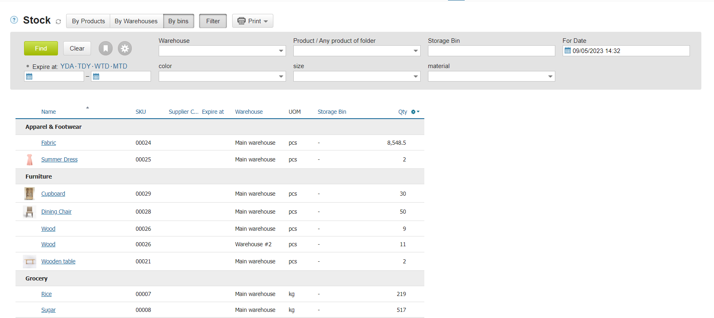

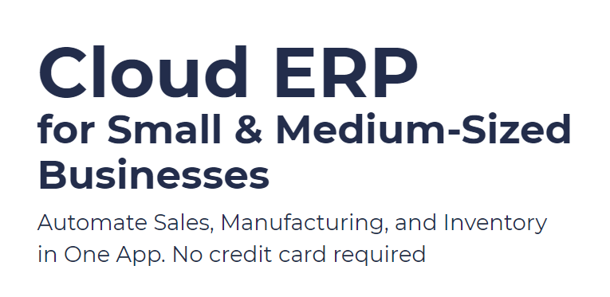
 |  | Use Kladana Free Plan

 |  | If you fancy the software, you may choose a paid plan
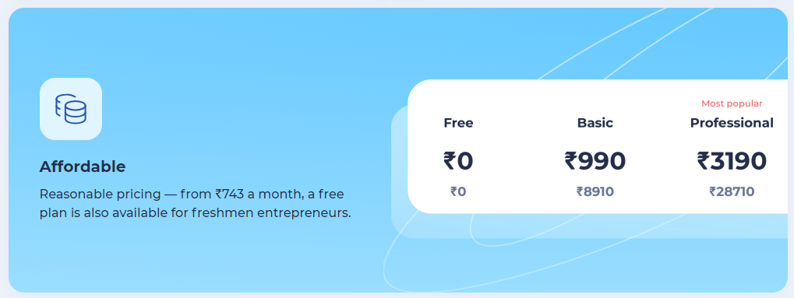

Start a Free 14-Day Trial
 |  | Choose your Plan
With no limits

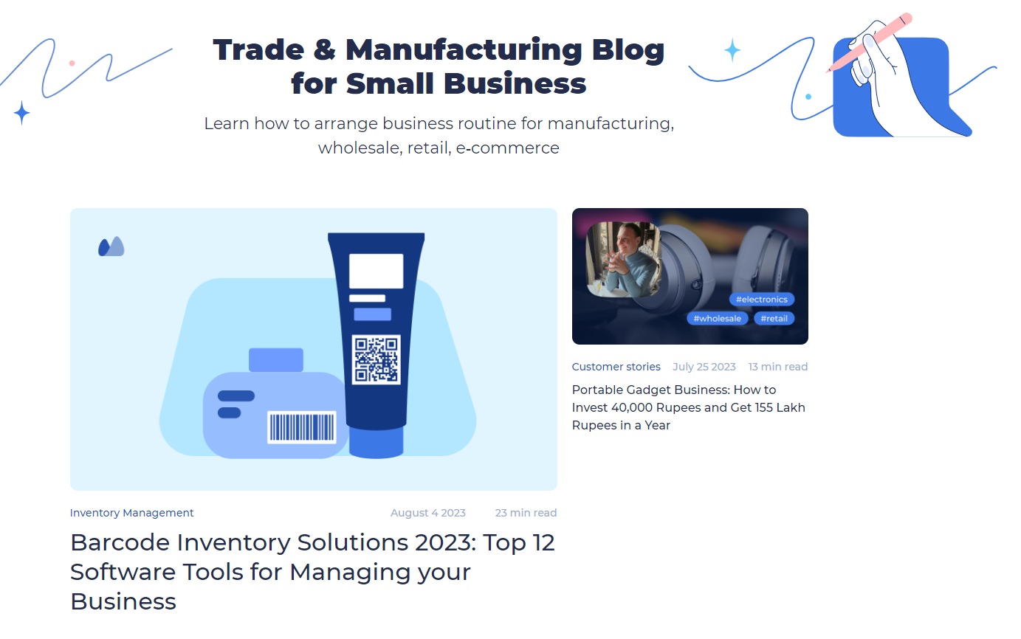

Request a Demo

 | Subscribe

 | Subscribe | Read our Articles & Case Stories

